Weekly Average
Team Name + Nickname |  |  | Average from: |  | 2020-06-08 |  | - |  | 2020-06-12

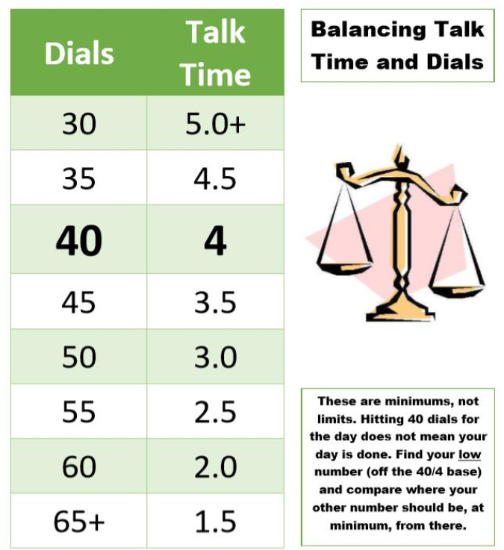
 |  |  | On-Queue | Inbound | Dials |  |  | Hours |  |  | Lives Changed
 | Days Worked: | Enrollment Counselor: |  |  |  | Needed Based on Hours |  |  | Needed Based on Dials | Weekly Dials & Hours % To Goal | Per Day | Week to date | Goal:
 | 5.00 | EC 1 | 4:57:23 | 6.2 | 40 | 43 |  | 3:40:05 | 4:00:00 | 92% | 1.8 | 9 |  | > | 130%
 | 3.50 | EC 2 | 4:38:06 | 7.3 | 47 | 34 |  | 4:33:48 | 3:19:30 | 137% | 1.7 | 6 |  | >= | 100%
 | 5.25 | EC 3 | 5:35:03 | 6.7 | 36 | 46 |  | 3:21:05 | 4:27:00 | 76% | 1.1 | 6 |  | < | 100%
 | 5.00 | EC 4 | 3:57:13 | 4.4 | 18 | 57 |  | 2:16:43 | 5:00:00 | 39% | 3.0 | 15 |  | < | 70%
 | 5.25 | EC 5 | 4:16:51 | 4.5 | 25 | 46 |  | 3:24:27 | 5:00:00 | 61% | 1.9 | 10 |  | < | 50%
 | 6.00 | EC 6 | 4:54:39 | 5.5 | 28 | 31 |  | 4:56:22 | 5:00:00 | 94% | 2.3 | 14 |  | < | 30%
 | 4.00 | EC 7 | 4:44:17 | 8.3 | 17 | 44 |  | 3:36:41 | 5:00:00 | 56% | 1.5 | 6
 | 4.00 | EC 8 | 3:10:38 | 7.0 | 28 | 36 |  | 4:22:03 | 5:00:00 | 82% | 2.8 | 11
 | 5.00 | EC 9 | 5:39:16 | 3.0 | 48 | 47 |  | 3:15:37 | 3:10:48 | 102% | 2.4 | 12
 | 2.00 | EC 10 | 4:38:20 | 5.5 | 62 | 53 |  | 2:41:51 | 1:51:00 | 131% | 3.0 | 6
 | 2.50 | EC 11 | 4:57:46 | 7.3 | 37 | 51 |  | 2:53:51 | 4:18:00 | 70% | 2.4 | 6
 | 6.00 | EC 12 | 5:54:38 | 7.3 | 33 | 51 |  | 2:55:32 | 4:44:00 | 63% | 0.3 | 2
 | 5.00 | EC 13 | 3:32:22 | 4.8 | 31 | 45 |  | 3:29:22 | 4:56:24 | 69% | 1.2 | 6
 | 4.75 | EC 14 | 3:39:17 | 5.4 | 26 | 46 |  | 3:24:40 | 5:00:00 | 62% | 2.7 | 13
 | 6.00 | EC 15 | 4:06:33 | 5.5 | 34 | 54 |  | 2:38:20 | 4:36:00 | 60% | 2.5 | 15
 |  |  |  |  |  |  |  |  |  |  | 0 | 0
 |  | Team Average: | 4:34:50 | 5.9 | 34 | 46 |  | 3:26:02 | 4:21:31 | 80% | 2.0 | 137

